Spending and Hours Summary
Employee | Individual Hours | Meeting Hours | Total Hours | Individual Labour Costs (£) | Meeting Labour Costs (£) | Total Labour Costs (£) | Actual | Week 21 | Week 22 | Week 23 | Week 24 | Week 25 | Week 26 | Week 27 | Week 28 | Week 29 | Week 30 | Week 31 | Week 32 | Week 33 | Week 34 | Week 35 | Week 36 | Week 37 | Week 38 | Week 39
Jonathan | 34 | 4.5 | 38.5 | £425.00 | £56.25 | £481.25 | Development - Client Software | 12.5 | 10.25 | 13.25 | 12.75 | 15.75 | 14 | 0 | 0 | 13 | 5.25 | 5 | 2 | 0 | 0 | 0 | 0 | 0 | 0 | 0
Luke | 10.5 | 1.5 | 12 | £131.25 | £18.75 | £150.00 | Development - Server Software | 5.5 | 3 | 7.75 | 4.75 | 6.5 | 0 | 0 | 0 | 8.5 | 3.25 | 2 | 1 | 0 | 0 | 0 | 0 | 0 | 0 | 0
Will | 17 | 7 | 24 | £212.50 | £87.50 | £300.00 | Development Testing | 2 | 2 | 1 | 5.75 | 2.5 | 0 | 0 | 0 | 4.5 | 4 | 8 | 0.5 | 0 | 0 | 0 | 0 | 0 | 0 | 0
Srikanth | 29 | 1 | 30 | £362.50 | £12.50 | £375.00 | Integration and Testing | 4 | 6.25 | 10 | 1 | 5.5 | 0 | 0 | 0 | 0 | 0 | 1.5 | 0 | 0 | 0 | 0 | 0 | 0 | 0 | 0
Sophie | 49.5 | 6.5 | 56 | £618.75 | £81.25 | £700.00 | Documentation | 11.25 | 6 | 6.5 | 2.5 | 14 | 0 | 0 | 0 | 0 | 11.5 | 14.75 | 6.25 | 0 | 0 | 0 | 0 | 0 | 0 | 0
Oliver | 21 | 2.5 | 23.5 | £262.50 | £31.25 | £293.75 | Marketing | 29.5 | 12 | 0.5 | 1 | 0.5 | 0 | 0 | 0 | 0 | 3.5 | 11.5 | 0 | 0 | 0 | 0 | 0 | 0 | 0 | 0
Matteo | 18.5 | 3.5 | 22 | £231.25 | £43.75 | £275.00 | Finance | 7.5 | 2.5 | 0 | 3 | 0 | 0 | 0 | 0 | 0 | 0.25 | 1 | 4 | 0 | 0 | 0 | 0 | 0 | 0 | 0
Paul | 47.5 | 5.25 | 52.75 | £593.75 | £65.63 | £659.38 | Contracts | 3 | 0.5 | 9.25 | 6.5 | 1 | 0 | 0 | 0 | 0 | 0 | 0 | 0 | 0 | 0 | 0 | 0 | 0 | 0 | 0
Sidharth | 49 | 8.25 | 57.25 | £612.50 | £103.13 | £715.63 | Expected
Sarujan | 15 | 0 | 15 | £187.50 | £0.00 | £187.50 | Development - Client Software | 4.5 | 3.5 | 0 | 0 | 0 | 0 | 0 | 0 | 0 | 0 | 0 | 0 | 0 | 0 | 0 | 0 | 0 | 0 | 0
Fraser | 37.5 | 4.75 | 42.25 | £468.75 | £59.38 | £528.13 | Development - Server Software | 5.5 | 7 | 4 | 0 | 0 | 0 | 0 | 0 | 0 | 0 | 0 | 0 | 0 | 0 | 0 | 0 | 0 | 0 | 0
TOTAL | 328.5 | 44.75 | 373.25 | £4,106.25 | £559.38 | £4,665.63 | Development Testing | 10 | 10.5 | 4 | 0 | 0 | 0 | 0 | 0 | 0 | 0 | 0 | 0 | 0 | 0 | 0 | 0 | 0 | 0 | 0
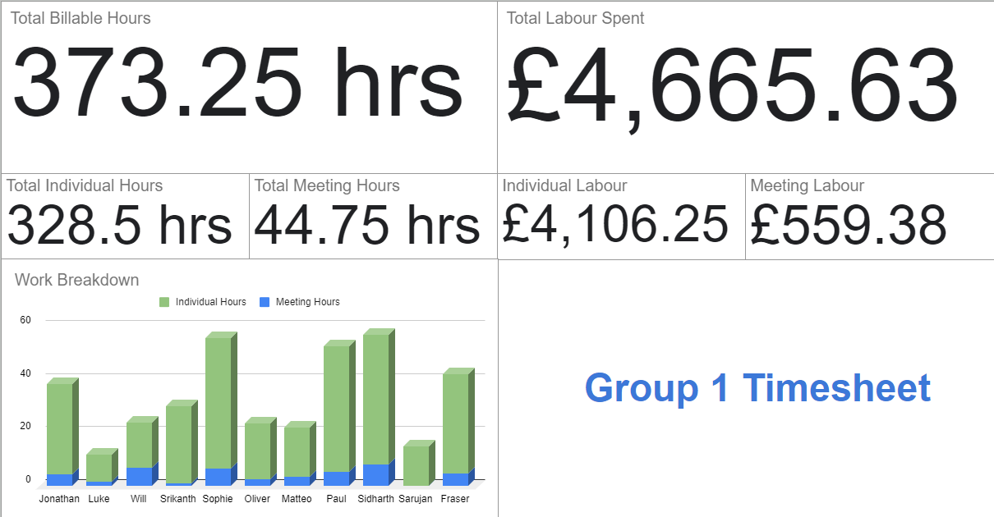
 |  |  |  |  |  |  | Integration and Testing | 0 | 0 | 0 | 9 | 9 | 0 | 0 | 0 | 0 | 12 | 0 | 0 | 0 | 0 | 0 | 0 | 0 | 0 | 0
 |  |  |  |  |  |  | Documentation | 8.25 | 5.25 | 4.25 | 6.25 | 6.25 | 5.25 | 4.75 | 3.25 | 5.25 | 7.75 | 11.25 | 7.25 | 9.25 | 8.25 | 7.25 | 8.25 | 9.25 | 0 | 0
 |  |  |  |  |  |  | Marketing | 0 | 0 | 6 | 6 | 6 | 0 | 0 | 0 | 0 | 0 | 0 | 4 | 0 | 10 | 0 | 0 | 0 | 0 | 0
 |  |  |  |  |  |  | Finance | 3 | 5 | 3 | 5 | 3 | 3 | 3 | 3 | 3 | 3 | 3 | 5 | 3 | 3 | 7 | 1 | 1 | 0 | 0
 |  |  |  |  |  |  | Contracts | 4 | 4 | 0 | 0 | 0 | 0 | 0 | 0 | 0 | 0 | 0 | 0 | 0 | 0 | 0 | 0 | 0 | 0 | 0
This report concerns primarily weeks 25 -32, although the total labour costs and hours displayed in the Spending and Hours Summary are counted from Financial Business Plan submission in week 20.
In our timesheets we also have a log which breaks down every task performed by each member and the hours spent, the area of development it concerns, and a description of the time they thought it would take and why they may have deviated from this estimate. I have omitted these from this report, instead providing a summary in the Variance Overview sheet.

